Events & Leaderboard
Leaderboard
💩 Leaderboard
Cumulative scores
DEWT Point Trend
2025 DE World Tour Leaderboard
Name | Net | 3+ | Team | Par 3 | Par 5 | Total | Points behind lead | 3 putts | 💩
Dave | 120 | 33 | 10 | - | - | 163 | 47 | 12 | -
Scott | 110 | 44 | - | - | - | 154 | 56 | 5 | 1
Mitch | 100 | 18 | 30 | 5 | 5 | 158 | 52 | 10 | 2
Colby | 140 | 35 | 20 | 5 | 10 | 210 | - | 8 | -

2025 DE World Tour Event Schedule |  |  |  |  |  |  |  |  | Shit Trophy winner |  | Net Score | Points
Date | Course | Teams | Team Event | Mitch Points | Colby Points | Scott Points | Dave Points |  | Date | Name | <70 | 70
January | Magenta | MT-DB, SP-CG | Multiplier | 62 | 57 | 63 | 78 |  | January | Mitch | 71-75 | 50
February | Toronto | DB-SP, MT-CG | Worst Ball | 45 | 76 | 55 | 55 |  | February | Mitch | 76-80 | 40
March | Shortland | DB-SP, MT-CG | Multiplier | 51 | 77 | 36 | 30 |  | March | Scott | 81-85 | 35
April |  |  |  | - | - | - | - |  | April | - | 86-90 | 30
May |  |  |  | - | - | - | - |  | May | - | 91-100+ | 25
June |  |  |  | - | - | - | - |  | June | - | 3+ points | equal value
July |  |  |  | - | - | - | - |  | July | - | Par 3's | 5
August |  |  |  | - | - | - | - |  | August | - | Par 5's | 5
September |  |  |  | - | - | - | - |  | September | - | Team | 10
October |  |  |  | - | - | - | - |  | October | -
November |  |  |  | - | - | - | - |  | November | -
December |  |  |  | - | - | - | - |  | December | -
2025 Handicap Trend
 | Mitch | Colby | Scott | Dave
 | 13.194 | 17.101 | 21.513 | 15.326
 | 13.194 | 17.034 | 21.513 | 15.072
 | 13.194 | 16.840 | 21.513 | 15.072
 | 13.194 | 16.674 | 21.615 | 15.078
 |  |  |  |  |  |  |  |  |  |  |  |  | Cumulative scores
2025 DE Handicap Trend |  |  |  |  |  |  |  |  |  |  |  |  | Mitch Points | Colby Points | Scott Points | Dave Points
Date | Course | Mitch | Colby | Scott | Dave |  |  |  |  |  |  |  | 62 | 57 | 63 | 78
January | Magenta | 13.194 | 17.101 | 21.513 | 15.326 |  |  |  |  |  |  |  | 107 | 133 | 118 | 133
February | Toronto | 13.194 | 17.034 | 21.513 | 15.072 |  |  |  |  |  |  |  | 158 | 210 | 154 | 163
March | Shortland | 13.194 | 16.840 | 21.513 | 15.072 |  |  |  |  |  |  |  | 158 | 210 | 154 | 163
April | Waratah | 13.194 | 16.674 | 21.615 | 15.078 |  |  |  |  |  |  |  | 158 | 210 | 154 | 163
May |  |  |  |  |  |  |  |  |  |  |  |  | 158 | 210 | 154 | 163
June |  |  |  |  |  |  |  |  |  |  |  |  | 158 | 210 | 154 | 163
July |  |  |  |  |  |  |  |  |  |  |  |  | 158 | 210 | 154 | 163
August |  |  |  |  |  |  |  |  |  |  |  |  | 158 | 210 | 154 | 163
September |  |  |  |  |  |  |  |  |  |  |  |  | 158 | 210 | 154 | 163
October |  |  |  |  |  |  |  |  |  |  |  |  | 158 | 210 | 154 | 163
November |  |  |  |  |  |  |  |  |  |  |  |  | 158 | 210 | 154 | 163
December

Apr - Waratah
 | Golf Course - Waratah
 | Date: 19/6/2026
 | Hole | 1 | 2 | 3 | 4 | 5 | 6 | 7 | 8 | 9 | F/Nine | 10 | 11 | 12 | 13 | 14 | 15 | 16 | 17 | 18 | B/Nine | Total | S/Pnts | Net | 3+ | Team | Par 3 | Par 5 | Total | 3 putts
 | Par | 4 | 5 | 4 | 3 | 4 | 4 | 3 | 5 | 4 | 36 | 5 | 4 | 3 | 4 | 4 | 3 | 4 | 4 | 5 | 36 | 72 |  |  | Points | Points | Points | Points | Points |  | Net Score | Points
 | Index | 5 | 9 | 3 | 14 | 11 | 15 | 18 | 13 | 1 |  | 12 | 10 | 16 | 8 | 2 | 17 | 6 | 7 | 4 |  |  |  |  |  |  |  |  |  |  | <70 | 70
 | H/Cap |  |  |  |  |  |  |  |  |  |  |  |  |  |  |  |  |  |  |  |  |  |  |  |  |  |  |  |  |  | 71-75 | 50
Mitch | 13 | 10 | 10 | 10 | 10 | 10 | 10 | 10 | 10 | 10 | 90 | 10 | 10 | 10 | 10 | 10 | 10 | 10 | 10 | 10 | 90 | 180 | - | 167 |  |  |  |  |  | - | 76-80 | 40
pts |  | - | - | - | - | - | - | - | - | - | - | - | - | - | - | - | - | - | - | - | - | - |  | - | - | - | - | - | - |  | 81-85 | 35
Colby | 17 | 10 | 10 | 10 | 10 | 10 | 10 | 10 | 10 | 10 | 90 | 10 | 10 | 10 | 10 | 10 | 10 | 10 | 10 | 10 | 90 | 180 | - | 163 |  |  |  |  |  | - | 86-90 | 30
pts |  | - | - | - | - | - | - | - | - | - | - | - | - | - | - | - | - | - | - | - | - | - |  | - | - | - | - | - | - |  | 91-100+ | 25
Scott | 22 | 10 | 10 | 10 | 10 | 10 | 10 | 10 | 10 | 10 | 90 | 10 | 10 | 10 | 10 | 10 | 10 | 10 | 10 | 10 | 90 | 180 | - | 158 |  |  |  |  |  | - | 3+ points | equal value
pts |  | - | - | - | - | - | - | - | - | - | - | - | - | - | - | - | - | - | - | - | - | - |  | - | - | - | - | - | - |  | Par 3's | 5
Dave | 15 | 10 | 10 | 10 | 10 | 10 | 10 | 10 | 10 | 10 | 90 | 10 | 10 | 10 | 10 | 10 | 10 | 10 | 10 | 10 | 90 | 180 | - | 165 |  |  |  |  |  | - | Par 5's | 5
pts |  | - | - | - | - | - | - | - | - | - | - | - | - | - | - | - | - | - | - | - | - | - |  | - | - | - | - | - | - |  | Team | 10

Scratch rating | 70
Slope rating | 129
Par | 71

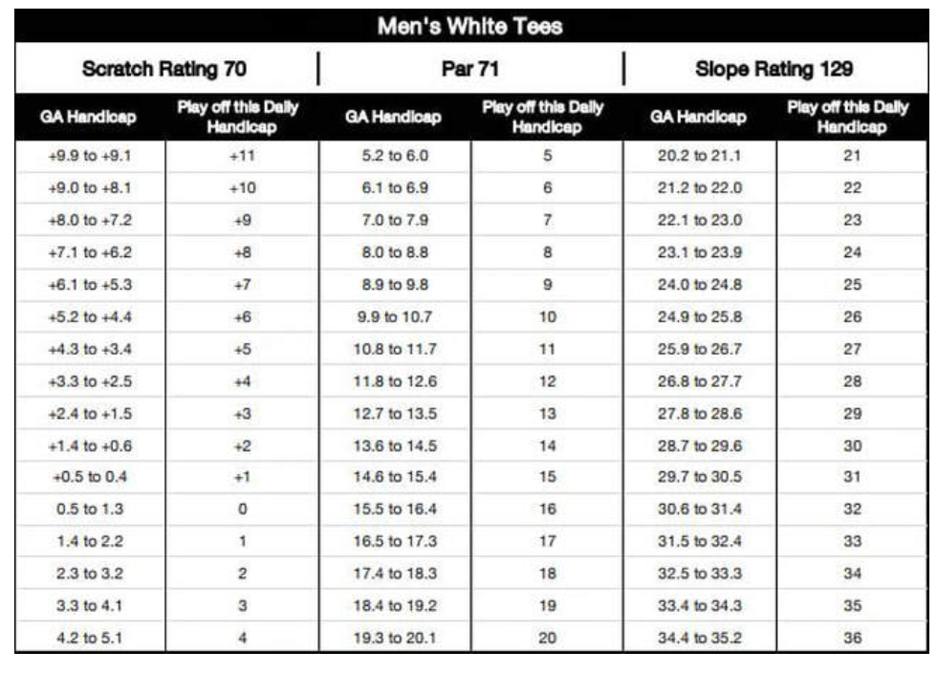

 |  |  |  |  |  |  |  |  |  |  |  |  |  |  |  |  |  |  |  |  |  |  |  |  |  |  |  |  |  |  |  |  | 2025 DE Handicap Trend
 |  |  |  |  |  |  |  |  |  |  |  |  |  |  |  |  |  |  |  |  |  |  |  |  |  |  |  |  |  |  |  |  | Date | Course | Mitch | Colby | Scott | Dave
 |  |  |  |  |  |  |  |  |  |  |  |  |  |  |  |  |  |  |  |  |  |  |  |  |  |  |  |  |  |  |  |  | January | Magenta
Scott
 |  |  |  |  |  |  |  |  |  |  |  |  |  |  |  |  |  |  |  |  |  |  |  |  |  |  |  |  |  |  |  |  | February | Toronto
 |  |  |  |  |  |  |  |  |  |  |  |  |  |  |  |  |  |  |  |  |  |  |  |  |  |  |  |  |  |  |  |  | March | Shortland
 |  |  |  |  |  |  |  |  |  |  |  |  |  |  |  |  |  |  |  |  |  |  |  |  |  |  |  |  |  |  |  |  | April | Waratah | 13.194 | 16.674 | 21.615 | 15.078

Mitch

Dave

Colby

